Sheet1 (3)
 |  | West
 |  | 0 | 1 | 2 | 3 |  | 0 | 1 | 2 | 3
Bris | 0 | 0.05653555 | 0.06855468 | 0.0415645 | 0.01680029 | 0 | 0.068965517241 | 0.074074074074 | 0.054054054054 | 0.02380952381 | -18% | -7% | -23% | -29%
 | 1 | 0.0938655 | 0.11382075 | 0.06900918 | 0.02789338 | 1 | 0.086956521739 | 0.13157894737 | 0.086956521739 | 0.038461538462 | 8% | -13% | -21% | -27%
 | 2 | 0.07792204 | 0.09448781 | 0.05728768 | 0.02315557 | 2 | 0.0625 | 0.095238095238 | 0.068965517241 | 0.03125 | 25% | -1% | -17% | -26%
 | 3 | 0.04312444 | 0.05229243 | 0.03170475 | 0.012815 | 3 | 0.029411764706 | 0.04347826087 | 0.033333333333 | 0.016666666667 | 47% | 20% | -5% | -23%

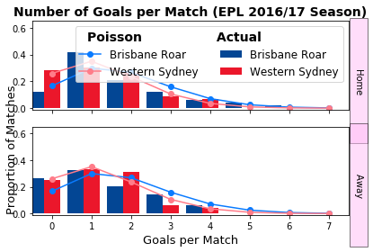
 |  | Home | draw | away |  |  | 0.21739130435
 | betfair | 0.3937007874 | 0.27027027027 | 0.345 | 1.0087986439
 | model | 0.47846 | 0.2422 | 0.27934
 |  | 22% | -10% | -19%

 |  | 0.74 | 0.1605 | 0.0995

0.05653555 | 0.06855468 | 0.0415645 | 0.01680029 |  |  |  |  |  |  |  | -18% | -7% | -23% | -29%
0.0938655 | 0.11382075 | 0.06900918 | 0.02789338 |  |  |  |  |  |  |  | 8% | -13% | -21% | -27%
0.07792204 | 0.09448781 | 0.05728768 | 0.02315557 |  |  |  |  |  |  |  | 25% | -1% | -17% | -26%
0.04312444 | 0.05229243 | 0.03170475 | 0.012815 |  |  |  |  |  |  |  | 47% | 20% | -5% | -23%

Sheet1 (4)
 |  | Ada
 |  | 0 | 1 | 2 | 3 |  | 0 | 1 | 2 | 3
Perth | 0 | 0.04713982 | 0.06742734 | 0.04822299 | 0.02299223 | 0 | 0.0625 | 0.071428571429 | 0.05 | 0.02380952381 | -25% | -6% | -4% | -3%
 | 1 | 0.0765677 | 0.10952008 | 0.07832707 | 0.03734554 | 1 | 0.086956521739 | 0.12820512821 | 0.083333333333 | 0.037037037037 | -12% | -15% | -6% | 1%
 | 2 | 0.06218324 | 0.08894499 | 0.06361208 | 0.03032959 | 2 | 0.066666666667 | 0.095238095238 | 0.068965517241 | 0.03125 | -7% | -7% | -8% | -3%
 | 3 | 0.03366742 | 0.04815683 | 0.03444102 | 0.01642113 | 3 | 0.033333333333 | 0.047619047619 | 0.034482758621 | 0.016666666667 | 1% | 1% | 0% | -1%

 |  | Home | draw | away |  |  | 0.21739130435
 | betfair | 0.42016806723 | 0.27027027027 | 0.328 | 1.01830719
 | model | 0.42257 | 0.23931 | 0.33812
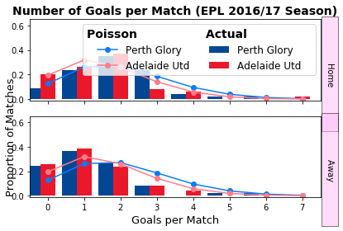
 |  | 1% | -11% | 3%

 |  | 0.74 | 0.1605 | 0.0995

0.04713982 | 0.06742734 | 0.04822299 | 0.02299223 |  |  |  |  |  |  |  | -25% | -6% | -4% | -3%
0.0765677 | 0.10952008 | 0.07832707 | 0.03734554 |  |  |  |  |  |  |  | -12% | -15% | -6% | 1%
0.06218324 | 0.08894499 | 0.06361208 | 0.03032959 |  |  |  |  |  |  |  | -7% | -7% | -8% | -3%
0.03366742 | 0.04815683 | 0.03444102 | 0.01642113 |  |  |  |  |  |  |  | 1% | 1% | 0% | -1%

Sheet1 (5)
 |  | Wellington
 |  | 0 | 1 | 2 | 3 |  | 0 | 1 | 2 | 3
Mel city | 0 | 0.02936239 | 0.04121896 | 0.02893162 | 0.01353808 | 0 | 0.052631578947 | 0.04347826087 | 0.020833333333 | 0.12820512821 | -44% | -5% | 39% | -89%
 | 1 | 0.06237274 | 0.08755894 | 0.06145768 | 0.02875812 | 1 | 0.11111111111 | 0.10869565217 | 0.051282051282 | 0.016666666667 | -44% | -19% | 20% | 73%
 | 2 | 0.06624732 | 0.09299807 | 0.06527541 | 0.03054457 | 2 | 0.10416666667 | 0.125 | 0.068965517241 | 0.020833333333 | -36% | -26% | -5% | 47%
 | 3 | 0.04690839 | 0.06585006 | 0.0462202 | 0.02162799 | 3 | 0.1724137931 | 0.076923076923 | 0.047619047619 | 0.018181818182 | -73% | -14% | -3% | 19%

 |  | Home | draw | away |  |  | 0.21739130435
 | betfair | 0.62893081761 | 0.23255813953 | 0.161 | 1.0227792797
 | model | 0.54038 | 0.20838 | 0.25124
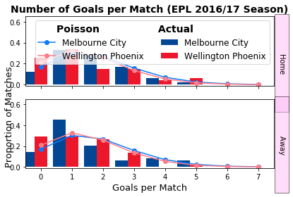
 |  | -14% | -10% | 56%

 |  | 0.74 | 0.1605 | 0.0995

0.02936239 | 0.04121896 | 0.02893162 | 0.01353808 |  |  |  |  |  |  |  | -44% | -5% | 39% | -89%
0.06237274 | 0.08755894 | 0.06145768 | 0.02875812 |  |  |  |  |  |  |  | -44% | -19% | 20% | 73%
0.06624732 | 0.09299807 | 0.06527541 | 0.03054457 |  |  |  |  |  |  |  | -36% | -26% | -5% | 47%
0.04690839 | 0.06585006 | 0.0462202 | 0.02162799 |  |  |  |  |  |  |  | -73% | -14% | -3% | 19%

Sheet1 (6)
 |  | Everton
 |  | 0 | 1 | 2 | 3 |  | 0 | 1 | 2 | 3
Liverpool | 0 | 0.21066503 | 0.19538113 | 0.09060304 | 0.02800991 | 0 | 0.066666666667 | 0.037037037037 | 0.014285714286 | 0.0037037037037 | 216% | 428% | 534% | 656%
 | 1 | 0.13272669 | 0.12309727 | 0.05708324 | 0.01764727 | 1 | 0.11904761905 | 0.1 | 0.033333333333 | 0.0083333333333 | 11% | 23% | 71% | 112%
 | 2 | 0.04181134 | 0.0387779 | 0.01798227 | 0.00555921 | 2 | 0.13157894737 | 0.10416666667 | 0.038461538462 | 0.01 | -68% | -63% | -53% | -44%
 | 3 | 0.00878089 | 0.00814383 | 0.0037765 | 0.0011675 | 3 | 0.090909090909 | 0.071428571429 | 0.029411764706 | 0.0076923076923 | -90% | -89% | -87% | -85%

 |  | Home | draw | away |  |  | 0.21739130435
 | betfair | 0.69444444444 | 0.20408163265 | 0.109 | 1.0072217293
 | model | 0.23795 | 0.35295 | 0.4091
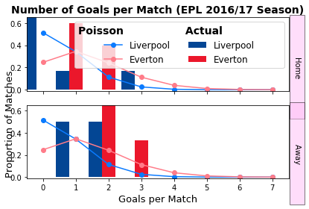
 |  | -66% | 73% | 276%

 |  | 0.74 | 0.1605 | 0.0995

0.21066503 | 0.19538113 | 0.09060304 | 0.02800991 |  |  |  |  |  |  |  | 216% | 428% | 534% | 656%
0.13272669 | 0.12309727 | 0.05708324 | 0.01764727 |  |  |  |  |  |  |  | 11% | 23% | 71% | 112%
0.04181134 | 0.0387779 | 0.01798227 | 0.00555921 |  |  |  |  |  |  |  | -68% | -63% | -53% | -44%
0.00878089 | 0.00814383 | 0.0037765 | 0.0011675 |  |  |  |  |  |  |  | -90% | -89% | -87% | -85%

Sheet1 (7)
 |  | Udinese
 |  | 0 | 1 | 2 | 3 |  | 0 | 1 | 2 | 3 |  | 0 | 1
Chievo | 0 | 0.12121848 | 0.10833372 | 0.04840927 | 0.01442122 | 0 | 0.090909090909 | 0.10204081633 | 0.066666666667 | 0.033333333333 | 0 | 33% | 6% | -27% | -57%
 | 1 | 0.14745676 | 0.13178303 | 0.05888766 | 0.01754276 | 1 | 0.090909090909 | 0.13888888889 | 0.090909090909 | 0.038461538462 | 1 | 62% | -5% | -35% | -54%
 | 2 | 0.08968721 | 0.08015403 | 0.03581708 | 0.01066998 | 2 | 0.051282051282 | 0.076923076923 | 0.060606060606 | 0.026315789474 | 2 | 75% | 4% | -41% | -59%
 | 3 | 0.0363668 | 0.03250124 | 0.01452328 | 0.00432652 | 3 | 0.020833333333 | 0.029411764706 | 0.025 | 0.013333333333 | 3 | 75% | 11% | -42% | -68%

 |  | Home | draw | away |  |  | 0.21739130435
 | betfair | 0.3125 | 0.29850746269 | 0.394 | 1.0047082501
 | model | 0.4355 | 0.29345 | 0.27105
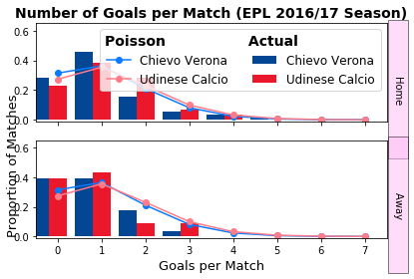
 |  | 39% | -2% | -31%

 |  | 0.74 | 0.1605 | 0.0995

0.12121848 | 0.10833372 | 0.04840927 | 0.01442122 |  |  |  |  |  |  |  |  | 33% | 6% | -27% | -57%
0.14745676 | 0.13178303 | 0.05888766 | 0.01754276 |  |  |  |  |  |  |  |  | 62% | -5% | -35% | -54%
0.08968721 | 0.08015403 | 0.03581708 | 0.01066998 |  |  |  |  |  |  |  |  | 75% | 4% | -41% | -59%
0.0363668 | 0.03250124 | 0.01452328 | 0.00432652 |  |  |  |  |  |  |  |  | 75% | 11% | -42% | -68%

